Inverter diqdv
Inverter DiqDv Characteristic
HVRT Entry | 1.19 | LVRT Eqn | Iq=-3.5x + 2.905
HVRT Exit | 1.16 | HVRT Eqn | Iq = -5.8x +6.67
LVRT Entry | 0.83
LVRT Exit | 0.86

FRTDbVolMaxHyst | 0.16 | Table For Plotting
FRTDbVolMax | 0.19
 |  | Inverter Terminal Voltage (pu) | Iq (pu)
FRTDbVolMinHyst | 0.14 | 0 | 2
FRTDbVolMin | 0.17 | 0.26 | 2
 |  | 0.54 | 1
Frt_LoGra1 | 0 | 0.83 | 0
Frt_LoGra2 | 3.5 | 1.15 | 0
Frt_LoGra3 | 3.5 | 1.19 | 0
 |  | 1.19 | -0.232
Frt_LoVolRef1 | 1 | 1.32 | -1
Frt_LoVolRef2 | 0.83 | 1.49 | -2
Frt_LoVolRef3 | 0 | 1.8 | -2

Frt_HiGra1 | 0
Frt_HiGra2 | 5.8
Frt_HiGra3 | 5.8

Frt_HiVolRef1 | 1
Frt_HiVolRef2 | 1.15
Frt_HiVolRef3 | 2

Frequency Droop
 |  |  |  |  |  |  | In SMA Hycon PSCAD

Frequency Droop Characteristic
 |  |  |  |  |  |  | FrqOffsets1 = -6 #Frequency Offsets to the nominal frequency to define the droop curve in Hz (need to be increasing) $13453$
 |  |  |  |  |  |  | FrqOffsets2 = -4.985 #Frequency Offsets to the nominal frequency to define the droop curve in Hz (need to be increasing) $13454$
 |  |  |  |  |  |  | FrqOffsets3 = -2.5 #Frequency Offsets to the nominal frequency to define the droop curve in Hz (need to be increasing) $13455$
 |  |  |  |  |  |  | FrqOffsets4 = -0.015 #Frequency Offsets to the nominal frequency to define the droop curve in Hz (need to be increasing) $13456$
 |  |  |  |  |  |  | FrqOffsets5 = 0 #Frequency Offsets to the nominal frequency to define the droop curve in Hz (need to be increasing) $13457$
FCAS droop | 4.97% |  |  |  |  |  | FrqOffsets6 = 0.015 #Frequency Offsets to the nominal frequency to define the droop curve in Hz (need to be increasing) $13458$
 |  |  | 0.0497 |  |  |  | FrqOffsets7 = 2.5 #Frequency Offsets to the nominal frequency to define the droop curve in Hz (need to be increasing) $13459$
 |  |  | 2.485 |  |  |  | FrqOffsets8 = 4.985 #Frequency Offsets to the nominal frequency to define the droop curve in Hz (need to be increasing) $13460$
 |  |  |  |  |  |  | FrqOffsets9 = 6 #Frequency Offsets to the nominal frequency to define the droop curve in Hz (need to be increasing) $13461$
Calculations |  |  |  |  |  |  | FrqOffsets10 = 7 #Frequency Offsets to the nominal frequency to define the droop curve in Hz (need to be increasing) $13462$
100% change in P | Delta frequency |  |  |  |  |  | FrqRecoverOffsets1 = -0.015 #Frequency Offsets to the nominal frequency to define the recovery thresholds $13464$
100% | 2.485 |  |  |  |  |  | FrqRecoverOffsets2 = 0.015 #Frequency Offsets to the nominal frequency to define the recovery thresholds $13465$
200% | 4.97
50% | 1.2425 |  |  |  |  |  | PwrAtDataPc1 = 200 #The active power data corresponding to the frequency offsets in % relative to PwrAtNomPoi $13476$
 |  |  |  |  |  |  | PwrAtDataPc2 = 200 #The active power data corresponding to the frequency offsets in % relative to PwrAtNomPoi $13477$
deadband |  |  |  |  |  |  | PwrAtDataPc3 = 100 #The active power data corresponding to the frequency offsets in % relative to PwrAtNomPoi $13478$
50.015 | 49.985 |  |  |  |  |  | PwrAtDataPc4 = 0 #The active power data corresponding to the frequency offsets in % relative to PwrAtNomPoi $13479$
Pmax | 60 |  |  |  |  |  | PwrAtDataPc5 = 0 #The active power data corresponding to the frequency offsets in % relative to PwrAtNomPoi $13480$
 |  |  |  |  |  |  | PwrAtDataPc6 = 0 #The active power data corresponding to the frequency offsets in % relative to PwrAtNomPoi $13481$
freq (delta Hz) | active power % (delta) | active power (MW) | Frequency (Hz) |  |  |  | PwrAtDataPc7 = -100 #The active power data corresponding to the frequency offsets in % relative to PwrAtNomPoi $13482$
6 | -200 | -120 | 44 |  |  |  | PwrAtDataPc8 = -200 #The active power data corresponding to the frequency offsets in % relative to PwrAtNomPoi $13483$
4.985 | -200 | -120 | 45.015 |  |  |  | PwrAtDataPc9 = -200 #The active power data corresponding to the frequency offsets in % relative to PwrAtNomPoi $13484$
0.015 | 0 | 0 | 49.985 |  |  |  | PwrAtDataPc10 = -200 #The active power data corresponding to the frequency offsets in % relative to PwrAtNomPoi $13485$
0 | 0 | 0 | 50
-0.015 | 0 | 0 | 50.015
-2.5 | 100 | 60 | 52.5
Frequency Droop Characteristic
-4.985 | 200 | 120 | 54.985
-6 | 200 | 120 | 56

Equation of Line: Increase in Hz
y=24.144869x-1207.605634

 |  |  |  |  | 24.144869215

 |  |  |  | -1207.6056338 |  | 0.39637826962
 |  |  | This is how much active power will change for 51Hz | 23.782696177

Voltage Droop
Voltage Droop Characteristic
Voltage (pu) | Reactive Power (%) | Reactive Power (%) | Reactive Power (MVAr)
-0.13 | 200 | 100 | 23.7
-0.12 | 200 | 100 | 23.7
Voltage Droop Characteristic
-0.11 | 200 | 100 | 23.7
-0.04 | 200 | 100 | 23.7
-0.02 | 100 | 100 | 23.7
0.02 | -100 | -100 | -23.7
0.04 | -200 | -100 | -23.7
0.11 | -200 | -100 | -23.7
0.12 | -200 | -100 | -23.7
0.13 | -200 | -100 | -23.7

Note: Column A and B are the values inputted in both pscad config and psse
dyr files

Voltage Protection
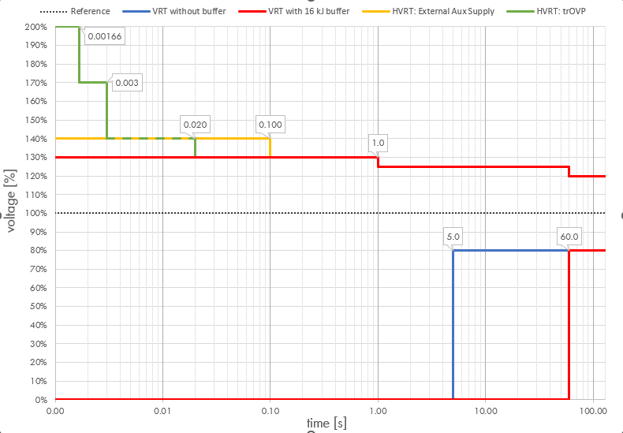

PSSE
Time (s) | Voltage (pu) |  | Time (s) | Voltage (pu)
0.00166 | 1.7 | above 1.7 trip in 0.00166 | 60 | 0.8 | below 0.8 trip in 60 seconds
0.003 | 1.4 | above 1.4 trip in 0.003 | 60 | 0.7 | below 0.7 trip in 60 seconds
0.02 | 1.3 | above 1.3 trip in 0.02 | 60 | 0.5 | below 0.5 trip in 60 seconds
1 | 1.25 | above 1.25 trip in 1 | 60 | 0.3 | below 0.3 trip in 60 seconds
60 | 1.2 | above 1.2 trip in 60 | 60 | 0.1 | below 0.1 trip in 60 seconds

PSCAD
Time (ms) | Voltage (pu) |  | Time(ms) | Voltage (pu)
1.66 | 1.7 |  | 60000 | 0.8
3 | 1.4 |  | 60000 | 0.7
20 | 1.3 |  | 60000 | 0.5
1000 | 1.25 |  | 60000 | 0.3
60000 | 1.2 |  | 60000 | 0.1

 | LVRT Table For Plotting |  | HVRT Table For Plotting
Inverter Voltage Protection
 | Voltage | Time(s) | Voltage | Time(s)
 | 0.1 | 0.00166 | 1.2 | 100
 | 0.1 | 60 | 1.2 | 60
 | 0.1 | 60 | 1.25 | 60
 | 0.3 | 60 | 1.25 | 1
 | 0.3 | 60 | 1.3 | 1
 | 0.5 | 60 | 1.3 | 0.02
 | 0.5 | 60 | 1.4 | 0.02
 | 0.7 | 60 | 1.4 | 0.003
 | 0.7 | 60 | 1.7 | 0.003
 | 0.8 | 60 | 1.7 | 0.00166
 | 0.8 | 100 | 1.7 | 0.00166

Frequency Protection
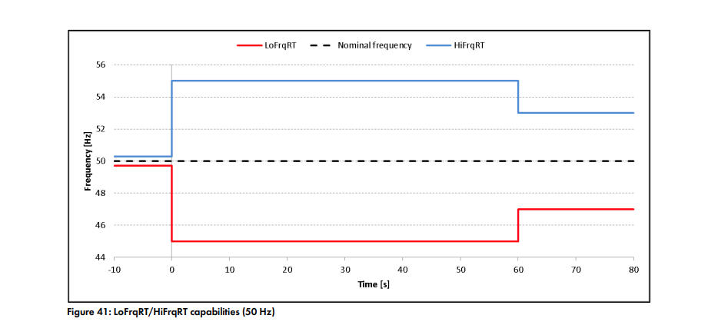

PSSE
Time (s) | Freq (Hz) |  | Time (s) | Freq (Hz)
0 | 56 | above 56 trip in 0 seconds | 0 | 44 | below 44 trip in 0 seconds
0 | 55 | above 55 trip in 0 seconds | 0 | 45 | below 45 trip in 0 seconds
60 | 54 | above 54 trip in 60 seconds | 60 | 46 | below 46 trip in 60 seconds
60 | 54 |  | 60 | 46
60 | 53 | above 53 trip in 60 seconds | 60 | 46
60 | 53 |  | 60 | 47 | below 47 trip in 60 seconds
Inverter Frequency Protection
PSCAD
Time(ms) | Freq (Hz) |  | Time(ms) | Freq (Hz)
0 | 56 |  | 0 | 44
0 | 55 |  | 0 | 45
60000 | 54 |  | 60000 | 46
60000 | 54 |  | 60000 | 46
60000 | 53 |  | 60000 | 46
60000 | 53 |  | 60000 | 47

LFRT Table For Plotting |  |  | HFRT Table For Plotting
Time (s) | Freq (Hz) |  | Time (s) | Freq (Hz)
0 | 56 |  | 0 | 44
0 | 55 |  | 0 | 45
60 | 55 |  | 60 | 45
60 | 54 |  | 60 | 46
60 | 54 |  | 60 | 46
60 | 53 |  | 60 | 46
60 | 53 |  | 60 | 47
70 | 53 |  | 70 | 47

Inverter_Q(u)
Inverter LevelVoltage Dependent Reactive Power
 |  |  |  | U/Unom | Qnom/Snom
VArCtlVol_HiVolRef1 | 1 | VArCtlVol_HiGra1 | 1.2 | 0 | 1.5
VArCtlVol_HiVolRef2 | 1.05 | VArCtlVol_HiGra2 | 1.2 | 0.6 | 0.6
VArCtlVol_HiVolRef3 | 2 | VArCtlVol_HiGra3 | 0 | 0.8 | 0.3
VArCtlVol_LoVolRef3 | 0 | VArCtlVol_LoGra3 | 0 | 0.95 | 0.075
VArCtlVol_LoVolRef2 | 0.95 | VArCtlVol_LoGra2 | 1.5 | 1 | 0
VArCtlVol_LoVolRef1 | 1 | VArCtlVol_LoGra1 | 1.5 | 1.05 | -0.06
 |  |  |  | 1.2 | -0.24
VArCtlVol_VArSptFilTm | 0.5 |  |  | 1.4 | -0.48
VArCtlVol_VolNomSptMod | VOLNOMSPTMOD_INVMS_VOLPSNOM |  |  | 2 | -1.2
VArCtlVol_VolNomSptInit | 1
GriMng_InvVArMod | GRIMNG_INVVARMOD_VARCTLVOL

